Template - Phase 2
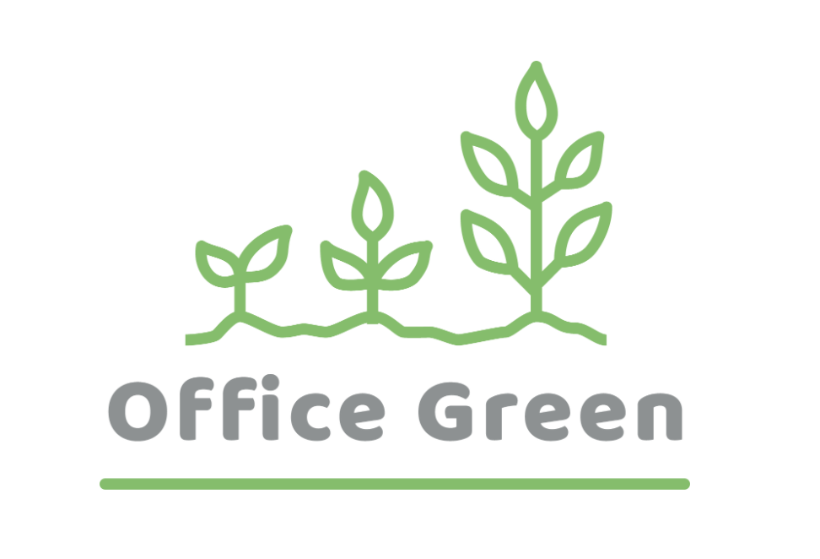
R - Responsible | Completes the deliverable or task.
A - Accountable | Makes final decisions and signs off on task completion. Only 1 per task.
C - Consulted | An advisor, stakeholder, or subject matter expert who offers guidance before an action is taken.
I - Informed | Kept up to date on decisions made.
Plant Pals Landing Page | Web Designer | Graphic Designer | Web Developer | Quality Assurance Tester | Content Writer | Web Manager
PHASE 2
Task/Deliverable
Design a landing page | R | I | C |  | I | A
Test the landing page | I |  | C | R |  | A
Code the landing page | A |  | R | C |  | I
Write content | C |  | I | I | R | A
Create a landing page mockup | R | A | C |  | C | I
Design image assets | C | R | I |  | I | A

